Ribbon Color Options
Back To Awards Order Form
Ribbon Color Options
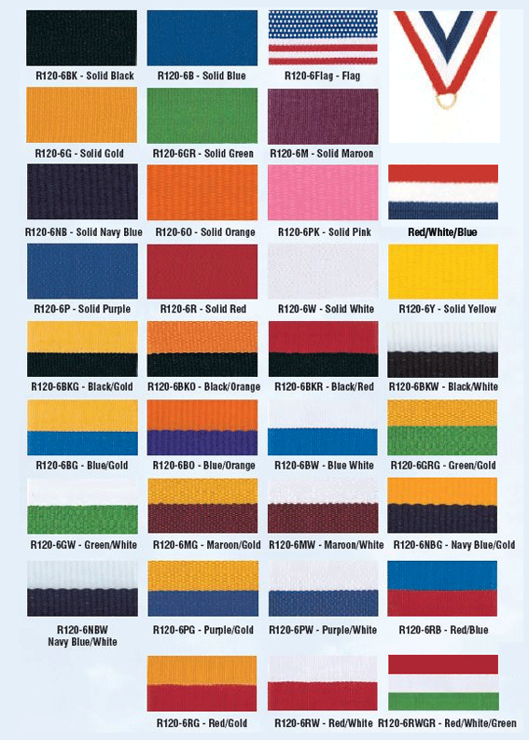

 | Back To Awards Order Form

 | Back To Awards Order Form

Back To Awards Order Form

