DIV B Worksheet
Per/Event | Event | Participants | Division B
48 | All 23 Events w/o trials | 0
2 | Anatomy | 0
Click on All Events if you are planning all of them and then click on the trial/pilots you are having.
Or click on the checkbox next to each event you are planning and the number of participants and medals for that event will appear. The number of medals you need are calculated per place (row 30).
Then enter in the number of places (row 31) you are planning. The total number of medals you need are calculated (row 32).
2 | Boomilever | 0
2 | Circuit Lab | 0
3 | Codebusters | 0
2 | Crime Busters | 0
2 | Disease Detectives | 0
2 | Dynamic Planet | 0
2 | Entomology | 0
3 | Experimental Design | 0
2 | Helicopter | 0
2 | Heredity | 0
2 | Hovercraft | 0
2 | Machines | 0
2 | Meteorology | 0
2 | Metric Mastery | 0
2 | Mission Possible | 0
2 | Potions & Poisons | 0
2 | Remote Sensing | 0
2 | Rocks | 0
2 | Scrambler | 0
2 | Solar System | 0
2 | Water Quality | 0
2 | Write It, Do It | 0
2 | Trial/Pilot | 0
2 | Trial/Pilot | 0
2 | Trial/Pilot | 0

 | Total Participants | 0
 | Number of Places | 3
 | Total Medals Needed | 0

DIV C Worksheet
Per/Event | Event | Participants | Division C
48 | All 23 Events w/o trials | 0
2 | Anatomy | 0
Click on All Events if you are planning all of them and then click on the trial/pilots you are having.
Or click on the checkbox next to each event you are planning and the number of participants and medals for that event will appear. The number of medals you need are calculated per place (row 30).
Then enter in the number of places (row 31) you are planning. The total number of medals you need are calculated (row 32).
2 | Astronomy | 0
2 | Boomilever | 0
2 | Bungee | 0
2 | Chemistry Lab | 0
2 | Circuit Lab | 0
3 | Codebusters | 0
2 | Designer Genes | 0
2 | Disease Detectives | 0
2 | Dynamic Planet | 0
2 | Electric Vehicle | 0
3 | Engineering CAD | 0
2 | Entomology | 0
3 | Experimental Design | 0
2 | Forensics | 0
2 | Helicopter | 0
2 | Hovercraft | 0
2 | Machines | 0
2 | Materials Science | 0
2 | Remote Sensing | 0
2 | Robot Tour | 0
2 | Rocks | 0
2 | Water Quality | 0
2 | Trial/Pilot | 0
2 | Trial/Pilot | 0
2 | Trial/Pilot | 0

 | Total Participants | 0
 | Number of Places | 3
 | Total Medals Needed | 0

Ribbon Color Options
Back To Awards Order Form
Ribbon Color Options
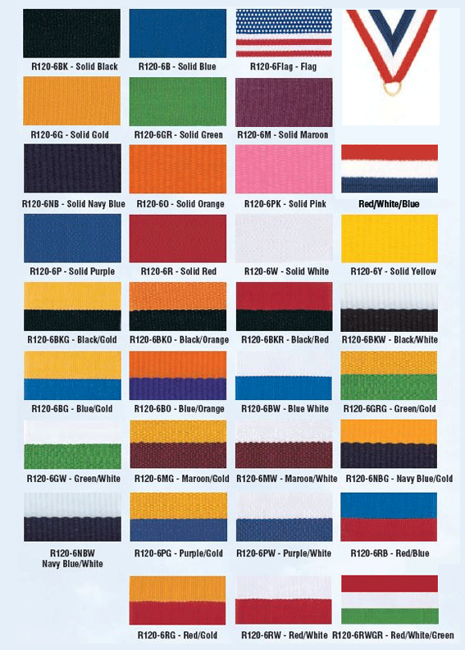

 | Back To Awards Order Form

 | Back To Awards Order Form

Back To Awards Order Form

Back To Awards Order Form

